What-If Analysis GS
PRODUCT NAME | Tea
QUANTITY | 10
PRICE | 200

Total Price | 2000

Target | 2500
Here I want to known that, how much quantity I have to sell to achieve the target of Rs. 2500 with the help of Goal Seek

Remove Duplicates
Remove the duplicate values from the following column:

 | Name |  |  | Name
 | Harry |  |  | Harry
 | William |  |  | William
 | Sean |  |  | Sean
 | Sarah |  |  | Sarah
 | Tom |  |  | Tom
 | Thomas |  |  | Thomas
 | Tim |  |  | Tim
 | Sammy |  |  | Sammy
 | Harry |  |  | Tina
 | Tina |  |  | Jack
 | Sean
 | Jack
 | Jack

Now, repeat the same action, but remove entire row based on the name duplicates!
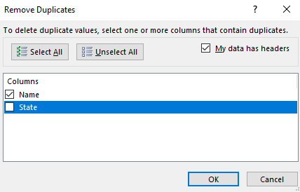
 | Name | State |  |  | Name | State
 | Harry | Arizona |  |  | Harry | Arizona
 | William | Texas |  |  | William | Texas
 | Sean | New York |  |  | Sean | New York
 | Sarah | Washington |  |  | Sarah | Washington
 | Tom | Georgia |  |  | Tom | Georgia
 | Thomas | California |  |  | Thomas | California
 | Tim | North Carolina |  |  | Tim | North Carolina
 | Sammy | Oregon |  |  | Sammy | Oregon
 | Harry | New York |  |  | Tina | Washington
 | Tina | Washington |  |  | Jack | Arkansas
 | Sean | Delaware
 | Jack | Arkansas
 | Jack | Florida

Finally, remove duplicates only for rows where the name and the car model are the same!
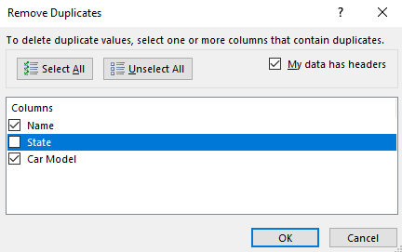
 | Name | State | Car Model |  | Name | State | Car Model
 | Harry | Arizona | Toyota |  | Harry | Arizona | Toyota
 | William | Texas | Dodge |  | William | Texas | Dodge
 | Sean | New York | Honda |  | Sean | New York | Honda
 | Sarah | Washington | BMW |  | Sarah | Washington | BMW
 | Tom | Georgia | Ford |  | Tom | Georgia | Ford
 | Thomas | California | Lexus |  | Thomas | California | Lexus
 | Tim | North Carolina | Seat |  | Tim | North Carolina | Seat
 | Sammy | Oregon | VW |  | Sammy | Oregon | VW
 | Harry | New York | Toyota |  | Tina | Washington | Audi
 | Tina | Washington | Audi |  | Sean | Delaware | Mercedes
 | Sean | Delaware | Mercedes |  | Jack | Arkansas | Mini
 | Jack | Arkansas | Mini |  | Jack | Florida | Porsche
 | Jack | Florida | Porsche

